Sheet1
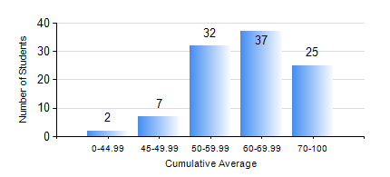
 |  |  | KWAME NKRUMAH UNIVERSITY OF SCIENCE AND TECHNOLOGY, KUMASI Department of Telecommunication Engineering

 |  |  | BSC. TELECOMMUNICATION ENG.

 |  |  | COMPREHENSIVE RECORD OF EXAMINATION RESULTS

 |  |  | RESULTS OF YEAR 2 SECOND SEMESTER, 2020/2021 ACADEMIC YEAR

 | Sn | Course Code |  | Course Name | Credit Hours | Min. Mark | Max. Mark | Avg. Mark | Std. Dev. | No. Passed | No. Trailed | No. (Df) | No. (I) | No. (I*) | No. Tagged(I,I*,Df) | Total
 | 0. |  |  |  |  |  |  | 0 | 0 | 0 | 0 | 0 | 0 | 0 | 0 | 5
 | 1. | ECON 152 |  | INTRODUCTORY ECONOMICS II | 2 | 47 | 87 | 69 | 9.24 | 17 | 0 | 0 | 0 | 0 | 0 | 17
 | 2. | EE 272 |  | DIGITAL SYSTEMS | 3 | 2 | 90 | 54 | 22.63 | 80 | 18 | 0 | 0 | 0 | 0 | 98
 | 3. | EE 288 |  | ELECTRICAL MEASUREMENT AND INSTRUMENTATION | 3 | 10 | 91 | 60 | 17.88 | 89 | 9 | 0 | 0 | 0 | 0 | 98
 | 4. | FC 182 |  | FRENCH FOR COMMUNICATION II | 2 | 40 | 88 | 63 | 11.12 | 81 | 0 | 0 | 0 | 0 | 0 | 81
 | 5. | MATH 252 |  | CALCULUS WITH SEVERAL VARIABLES | 4 | 34 | 79 | 56 | 11.25 | 92 | 6 | 0 | 0 | 0 | 0 | 98
 | 6. | TE 262 |  | ELECTROMAGNETIC FIELDS | 3 | 40 | 98 | 68 | 18.62 | 98 | 0 | 0 | 0 | 0 | 0 | 98
 | 7. | TE 292 |  | TELECOMMUNICATION LAB II | 2 | 50 | 86 | 66 | 10.74 | 97 | 0 | 1 | 0 | 0 | 1 | 98

